1. Title Page
Project Name: Instacart Grocery Basket Analysis
Date: 10.02.2024
Analyst Name: Inesha Pallage

Data Citation: "The Instacart Online Grocery Shopping Dataset 2017"

Note: The price information are fabricated by CareerFounday

Contents:
Population Flow
Consistency checks
Wrangling steps
Column derivations
Visualizations
Recommendations

2. Population Flow
Title page

Population flow

Exclusion flag
Condition: max_order <
Obervations to be removed:
Final total count of order_products_all:

Orders_products_combined
Orders_products_merged
Orders_products_all

Total: : 32,434,489
Total: 32,404,859
Total:32,404,859

1.) The grey boxes in the first row of the population flow represent the original data sets as they were when you downloaded them. In the Total fields you need to add the count of the rows when you imported the data set into Jupyter.
2.) The second row of boxes (coloured) represents the data sets after you manipulated them, e.g., removed missing values and duplicates. In the Total fields you need to add the count of the rows after conducting these operations. This offers a visual oveview of how the data flows throughout the data consistency checks.
3.) The third row, where also the arrows are coloured, represents the merges you performed between the datasets. In the Total fields you need to add the count of the rows in the merged datasets, so that you end up with the final dataset (in the red box). Keep in mind the final dataset should be without exclusions (based on the exclusion flag).

3. Consistency checks
 |  |  |  | Title page
Consistency checks

Dataset | Missing values | Missing values treatment | Duplicates
orders | days_since_prior_order 206209 missing values | Missing values appeared to be the first order or there is no gap between two orders . So flaged then as Nana and left as they are
products | product_name 16 | Removed missing data | 5 duplicate rows , cleaned duplicates
orders_products_prior
customers | first names: 11,259 | None, Use Last name & id
department | department id 21= missing

4. Wrangling steps
 |  |  |  | Title page
Wrangling steps

Columns dropped | Columns renamed | Columns' type changed | Comment/Reason
eval_set | days_since_prior_order into days_from_last_order | user_id | changed from int64 into str
 | First Name':'first_name', 'Surnam':'last_name', 'Gender':'gender', 'STATE':'state', 'Age':'age', 'n_dependants':'dependant_no 'fam_status':'family_status | order_no | changed from int64 into str
 | To avoid memory crash error:'order_id', 'user_id', 'order_number','add_to_cart_order', 'reordered', 'Unnamed: 0', '_merge'] | first_name | changed into str

5. Column derivations
In this tab you should add tables below that the frequences of flags/label variables that you produced after deriving them. NB: don't do this for continuous variables, only for flags.
 |  |  |  | Title page

Column derivations and aggregations

Dataset | New column | Column/s it was derived from | Conditions
ords_prods_merge | price_range | price | def price_label(row): if row['prices'] <= 5: return 'Low-range product' elif (row['prices'] > 5) and (row['prices'] <= 15): return 'Mid-range product' elif row['prices'] > 15: return 'High range' else: return 'Not enough data'
ords_prods_merge | busiest_day | orders_day_of_week | result = [] for value in ords_prods_merge["orders_day_of_week"]: if value == 0: result.append("Busiest day") elif value == 4: result.append("Least busy") else: result.append("Regularly busy")
ords_prods_merge | busiest_day | orders_day_of_week | busiest_or_slowest =[] for days in ords_prods_merge["orders_day_of_week"]: if days == 0 or days==1 : busiest_or_slowest.append("Busiest days") elif days == 4 or days==3: busiest_or_slowest.append("Slowest days") else: busiest_or_slowest.append("Regular days")
ords_prods_merge | busiest_period_of_day. | order_hour_of_day | busiest_hours = [] for value in ords_prods_merge['order_hour_of_day']: if 9 <= value <= 17: busiest_hours.append("Most_orders") elif value in [8, 18, 19]: busiest_hours.append("Average_orders") else: busiest_hours.append("Fewest_orders")
ords_prods_merge | loyalty_flag | max_order | ords_prods_merge.loc[ords_prods_merge['max_order'] > 40, 'loyalty_flag'] = 'Loyal customer' , ords_prods_merge.loc[(ords_prods_merge['max_order'] <= 40) & (ords_prods_merge['max_order'] > 10), 'loyalty_flag'] = 'Regular customer',ords_prods_merge.loc[ords_prods_merge['max_order'] <= 10, 'loyalty_flag'] = 'New customer'
ords_prods_merge | spending flag | average_spending | ords_prods_merge.loc[ords_prods_merge['average_spending']>=10,'spending flag']='High spender' ords_prods_merge.loc[ords_prods_merge['average_spending']<10,'spending flag']='Low spender'
ords_prods_merge | order frequency flag | frequency_of_purchase | ords_prods_merge.loc[ords_prods_merge['frequency_of_purchase']>20,'order frequency flag']='Non-frequent customer' ords_prods_merge.loc[(ords_prods_merge['frequency_of_purchase']>10) & (ords_prods_merge['frequency_of_purchase']<=20),'order frequency flag']='Regular customer' ords_prods_merge.loc[ords_prods_merge['frequency_of_purchase']<=10,'order frequency flag']='Frequent customer'
 | Region | state | ## Create regional segments result = [] for value in instacart_merge['state']: if value in ('Maine', 'New Hampshire', 'Vermont', 'Massachusetts', 'Rhode Island', 'Connecticut', 'New York', 'Pennsylvania', 'New Jersey'): result.append('Northeast') elif value in ('Wisconsin', 'Michigan', 'Illinois', 'Indiana', 'Ohio', 'North Dakota' , 'South Dakota', 'Nebraska', 'Kansas', 'Minnesota', 'Iowa', 'Missouri'): result.append('Midwest') elif value in ('Delaware', 'Maryland', 'District of Columbia', 'Virginia', 'West Virginia', 'North Carolina', 'South Carolina', 'Georgia', 'Florida', 'Kentucky', 'Tennessee', 'Mississippi', 'Alabama', 'Oklahoma', 'Texas', 'Arkansas', 'Louisiana'): result.append('South') elif value in ('Idaho', 'Montana', 'Wyoming', 'Nevada', 'Utah', 'Colorado', 'Arizona', 'New Mexico', 'Alaska', 'Washington', 'Oregon', 'California', 'Hawaii'): result.append('West') else: result.append('Unknown'
 | age_flag | age | ## Create customer profiles ### Based on age age_bins = [0, 30, 60, float('inf')] # Define the age bins (e.g., 0-30, 31-60, 61 and above) age_labels = ['Young Adult', 'Adult', 'Senior'] # Define the corresponding labels for each age range # Create the 'age_flag' column using pd.cut() new_instacart_merge_active_customers.loc[:, 'age_flag'] = pd.cut(new_instacart_merge_active_customers['age'], bins=age_bins, labels=age_labels, right=False) new_instacart_merge_active_customers['age_flag'].value_counts(dropna=False)
 | income_range | income | ## based on income quartiles income_thresholds = [67292, 96765, 128102] # 25%, 50%, and 75% quartiles # Define labels for income ranges income_labels = ['Low', 'Middle', 'High'] # Assign income range labels def assign_income_range(income): if income <= income_thresholds[0]: return income_labels[0] # Low income elif income <= income_thresholds[1]: return income_labels[1] # Middle income else: return income_labels[2] # High income # Create the 'income_range' column using the function new_instacart_merge_active_customers['income_range'] = new_instacart_merge_active_customers['income'].apply(assign_income_range)
 | family_status_flag |  | # Map for family status flags family_status_mapping = { 'married': 'married', 'single': 'single', 'divorced/widowed': 'divorced/widowed', 'living with parents and siblings': 'single_living_with_parents_and_siblings' }
instacart_merge | exclusion_flag | max_order | instacart_merge['exclusion_flag'] = np.where(instacart_merge['max_order'] < 5, 'Exclude-low-activity customer', 'Keep')

6. Visualizations
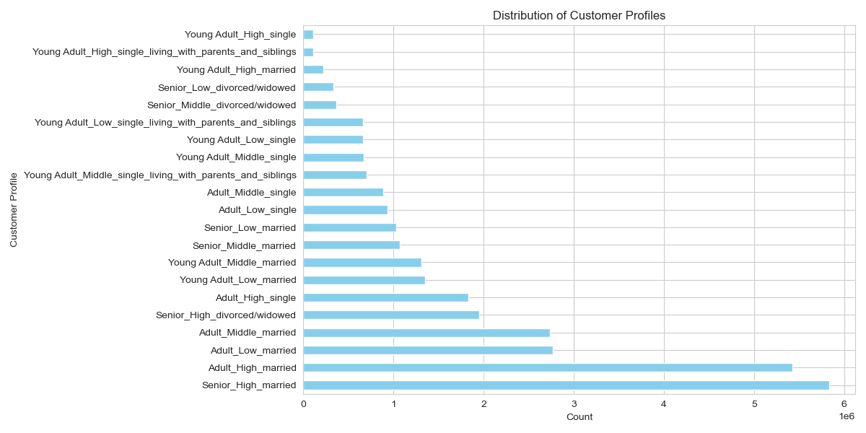
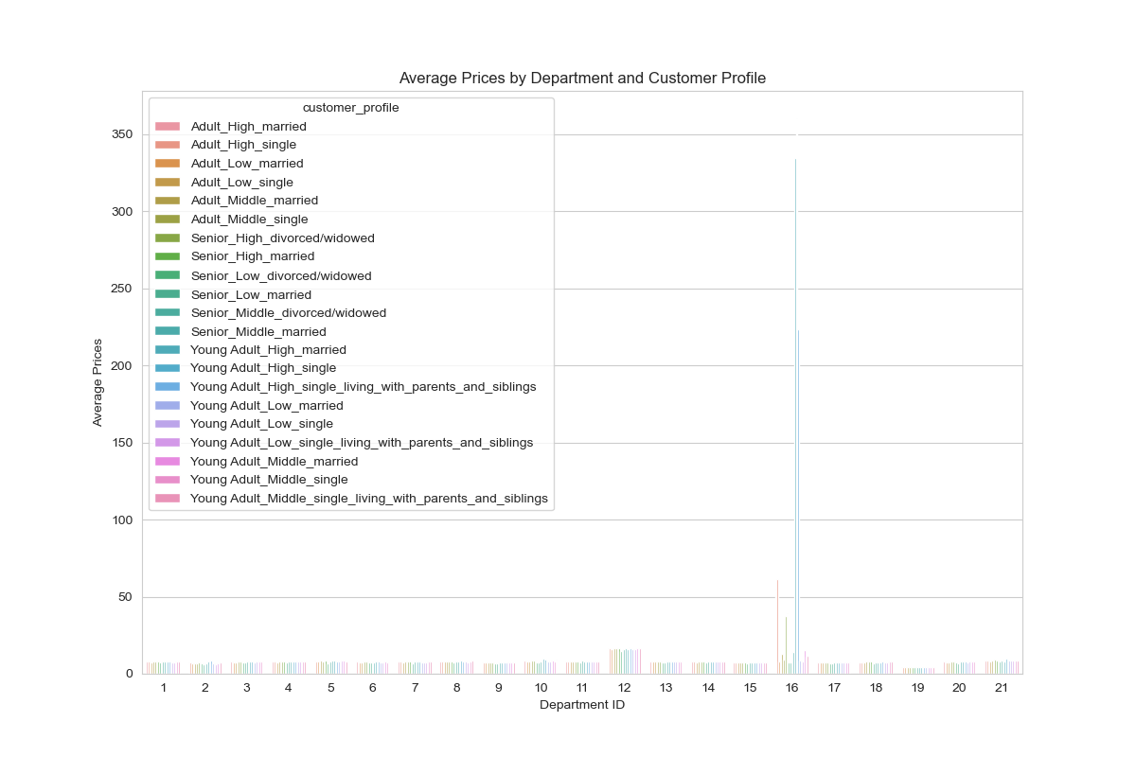
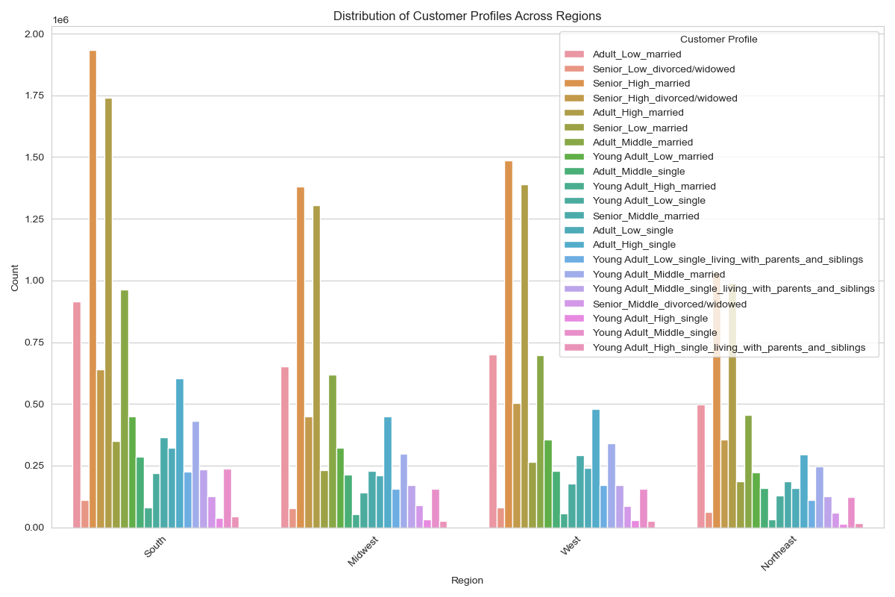
 | Title page

Visualisations

In this tab you should include all the visualtions from Exercises 4.9 and 4.10, alongside the questions from the project brief that they answer. Include any commentary on the relationship between different variables.

Order day of weeks & Order hour of days data to use when planning Ads

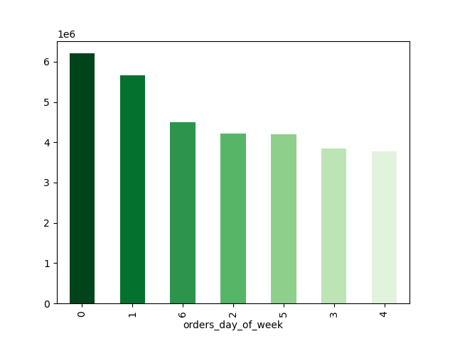
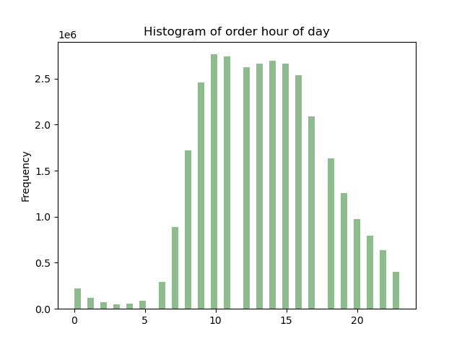

Order hour of day & spending data to use when planning Ads

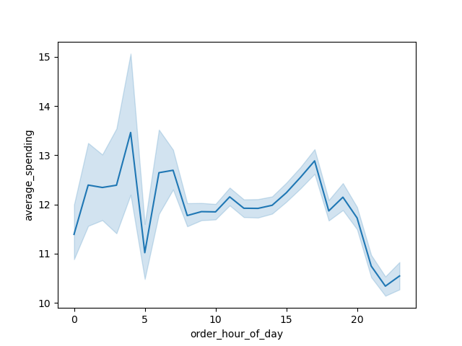

simpler price range groupings

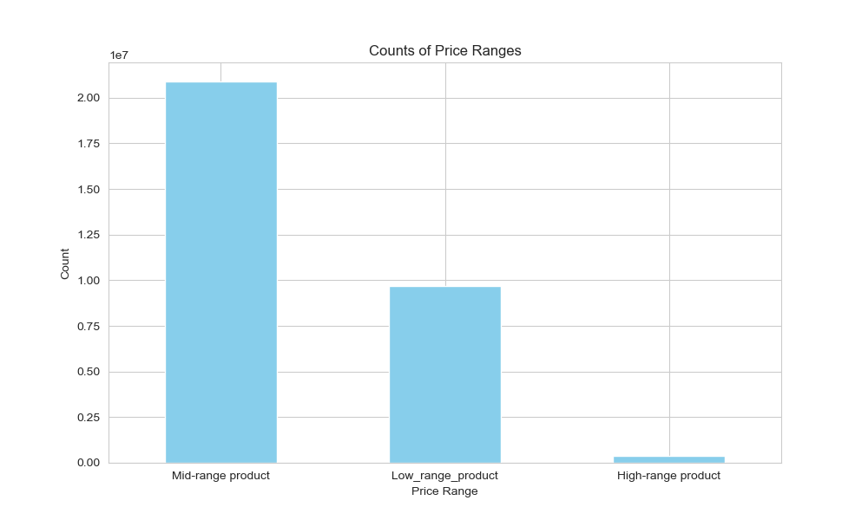
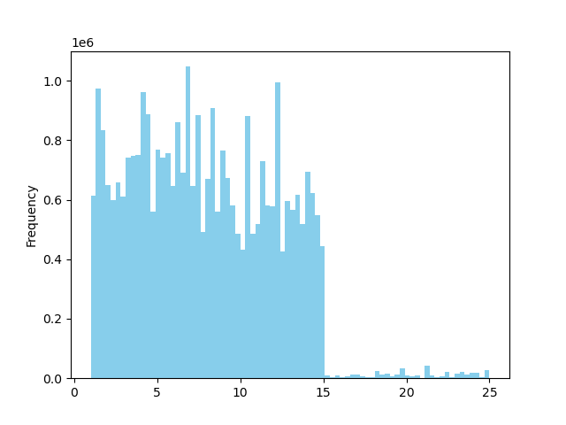

 |  | Price_distribution_histogram

which departments have the highest frequency of product orders

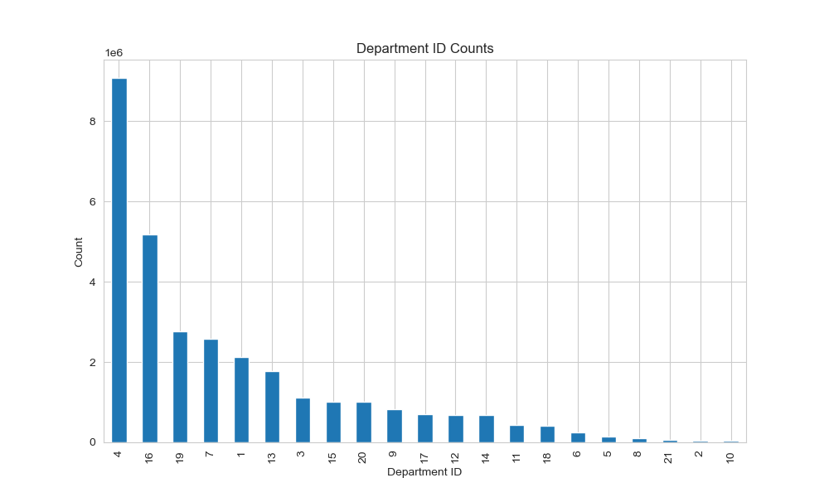
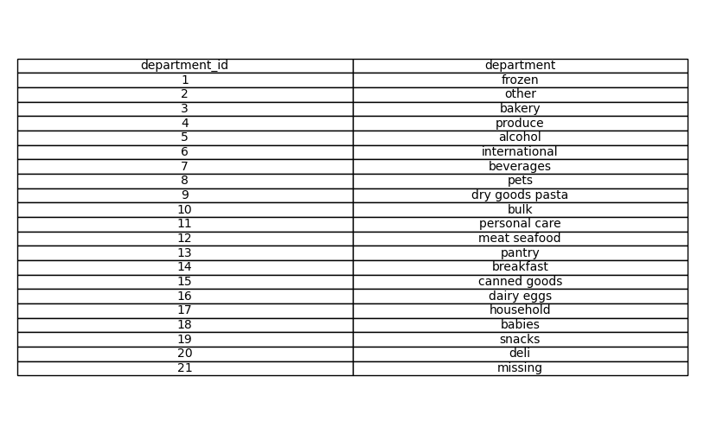

Customer loyalty & sales

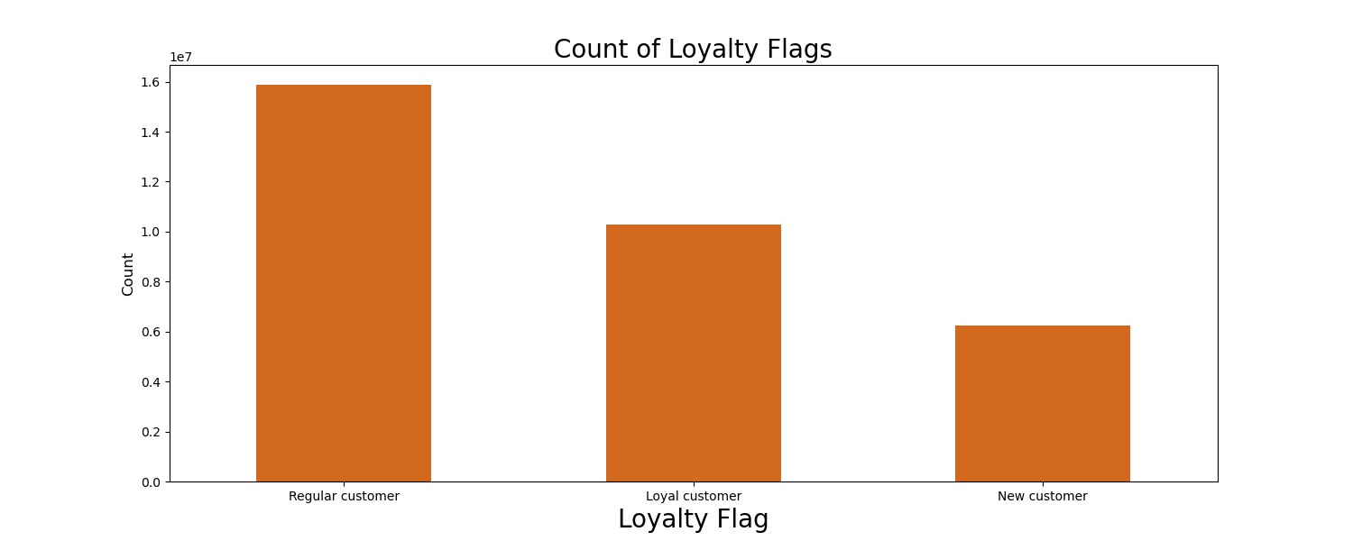

ordering habits based on a customer’s region

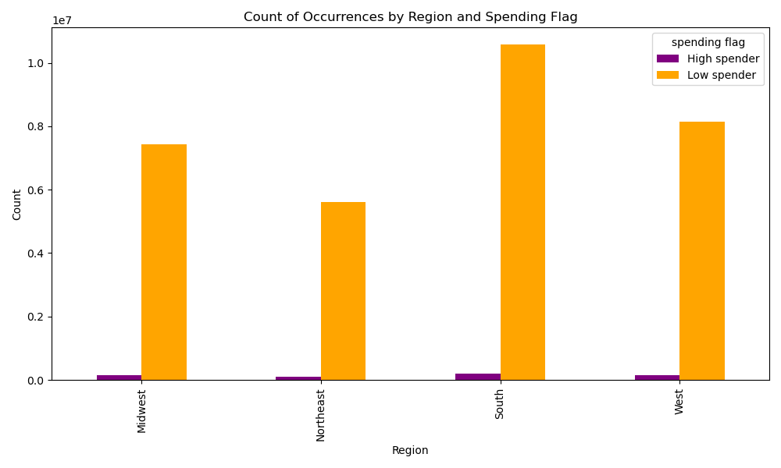

connection between age and family status in terms of ordering habits

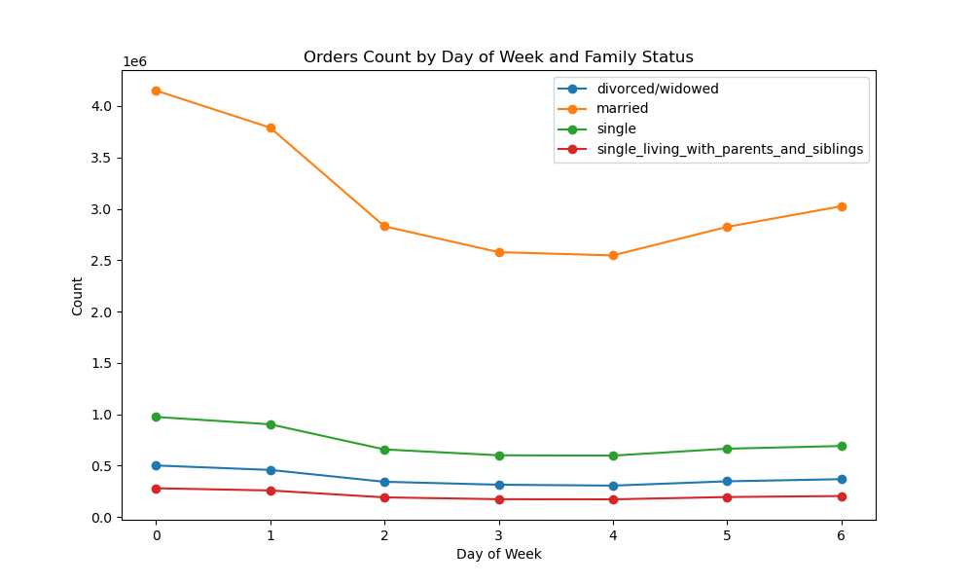
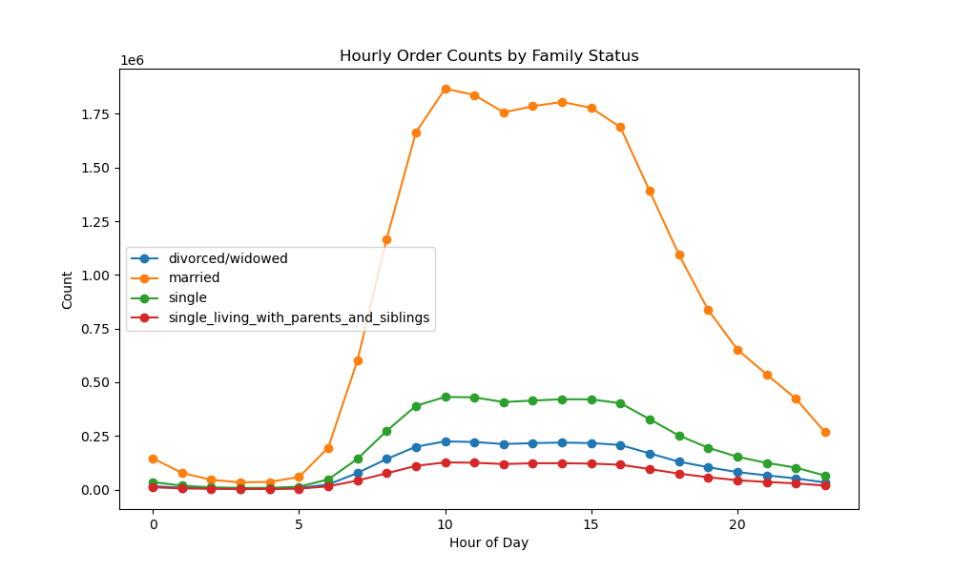

demographic information

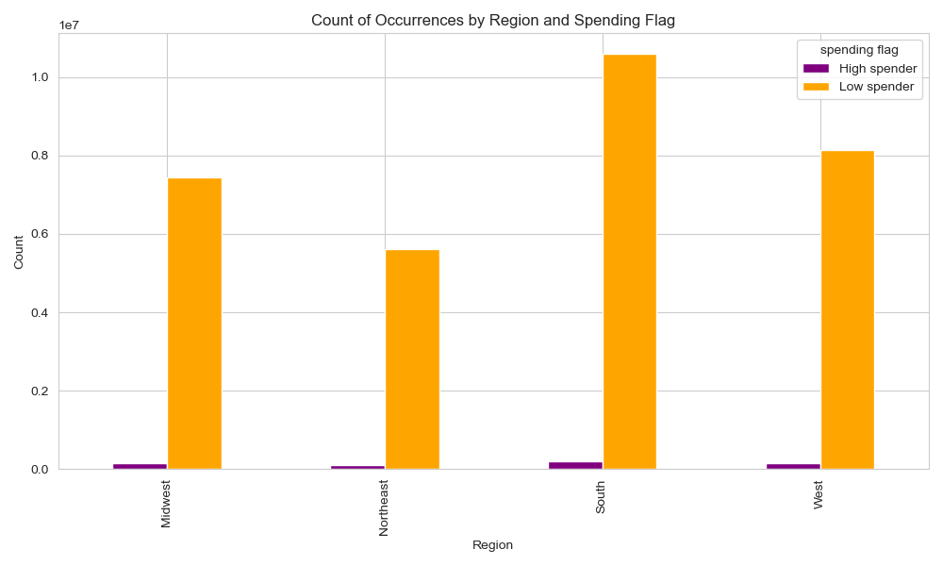
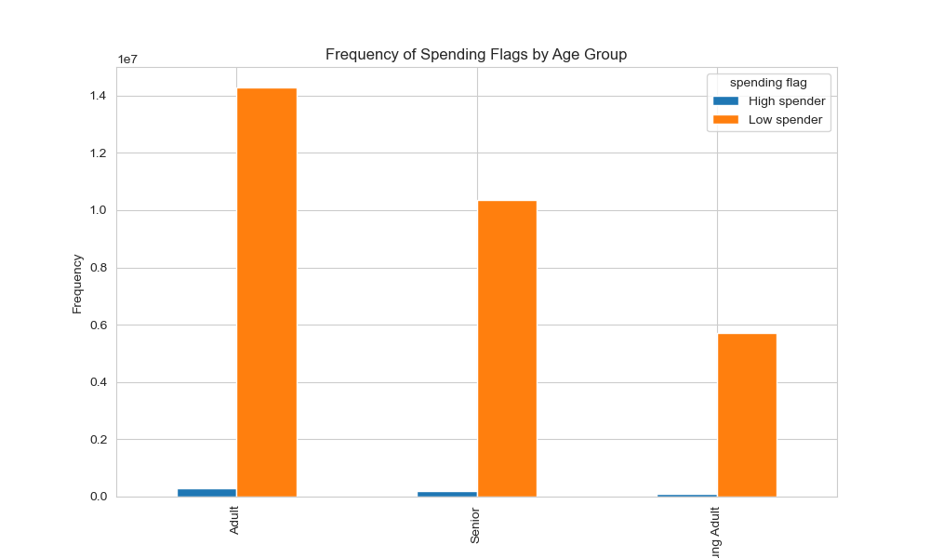

ordering habits of different customer profiles

7. Recommendations
 | Title page

Recommendations

Key Question 1
The sales team needs to know what the busiest days of the week and hours of the day are (i.e., the days and times with the most orders) in order to schedule ads at times when there are fewer orders.
Answer:
It is recommended to schedule ads on weekdays, especially Monday, Tuesday, and Wednesday. If the target is off-peak hours, aim for between midnight and 9 AM when orders are lower. The busiest days are Saturday, Sunday, and Friday. And the quietest days are Wednesday, Tuesday, and Monday. The busiest time of day is from 10 AM to 6 PM. After 6 PM, the number of orders starts to decrease.

Key Question 2
They also want to know whether there are particular times of the day when people spend the most money, as this might inform the type of products they advertise at these times.
Answer:
It is recommended to schedule ads on morning time as Ads work best early in the morning when there are fewer orders but higher spending. Spending peaks around 3 AM but drops around 10 AM, which is different from when most orders are placed.

Key Question 3
Instacart has a lot of products with different price tags. Marketing and sales want to use simpler price range groupings to help direct their efforts.
Answer:
Mid range products have been purchased significantly higher times while low range products too have been purchased considerably more times compared to high range products. High range products records lowest purchase count. So, it is recommended to target high-range products with Ads to increase sales

Key Question 4
Are there certain types of products that are more popular than others? The marketing and sales teams want to know which departments have the highest frequency of product orders.
Answer:
Produce, dairy eggs, snacks, beverages, and frozen are the departments with the most orders.

Key Question 5
The marketing and sales teams are particularly interested in the different types of customers in their system and how their ordering behaviors differ

I. What’s the distribution among users in regards to their brand loyalty (i.e., how often do they return to Instacart)?
Answer:
loyal customers tend to buy low range products while regular customers generating more income.

II . Are there differences in ordering habits based on a customer’s loyalty status?
Answer:
There is no significant difference in ordering habits based on customer loyalty

III. Are there differences in ordering habits based on a customer’s region?
Answer:
There's not a significant variation in spending across regions. The West region exhibits the lowest spending, while the Midwest shows the highest spending.

IV. Is there a connection between age and family status in terms of ordering habits?
Answer:
Married people constitute the largest customer base for InstaBasket. Looking at age demographics, older clients are the most repeated users of the app, followed by middle-aged clients. Young people have the lowest usage rate among app users.

IV. What different classifications does the demographic information suggest? Age? Income? Certain types of goods? Family status?
Answer:
In Instacart customer base there are more low spenders than high spenders. Out of that also senior people represent the largest portion of low spending category. Also this group can further explain as senior_high income_married customers

What differences can you find in ordering habits of different customer profiles?
Answer:
customer profile made on age, income and family status it shows that regardless of the income old and middle aged married customers use the app most

